Calibration Points_Basins
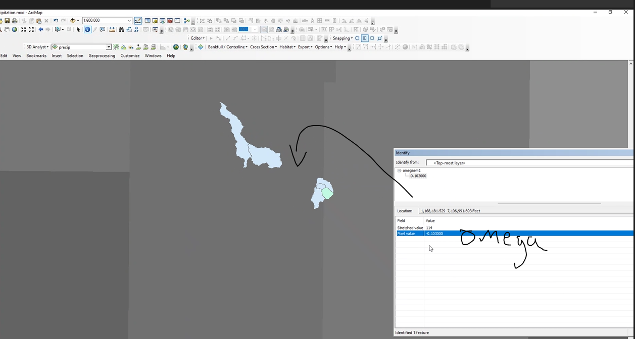
 |  |  |  |  |  |  | 100-yr Peak Discharge exported from HEC-RAS using Profile Lines |  |  |  |  | CN/Split
Work Area | Basin ID (HUC12) | Stream_nam | Cum_SqMi | MainChSLno | PREC | OmegaEM | Q10PAC | Q4PAC | Q2PAC | Q1PAC | Q0_2PAC
DMF2 | 120500040505 | Other | 7.87 | 0.009759 | 21 | -0.076 |  |  |  | 9946.83 |  | US
DMF2 | 120500040404 | Middle Creek | 51.51 | 0.008261 | 21 | -0.103 |  |  |  | 11138 |  | DS
DMF2 | 120500040502 | Cooper Creek | 44.1 | 0.005668 | 21 | -0.103 |  |  |  | 2964 |  | DS

 |  |  |  | length
 | Cooper Creek | 2867.35 | 2253.79 | 108240.92
 | Grape Creek | 2531.25 | 2235.56 | 77748.64
 | Middle Creek | 2857.51 | 2459.44 | 48187.6
 | Other | 2626.17 | 2339.34 | 29390

SIR 2009-5087 (L Moment Based)
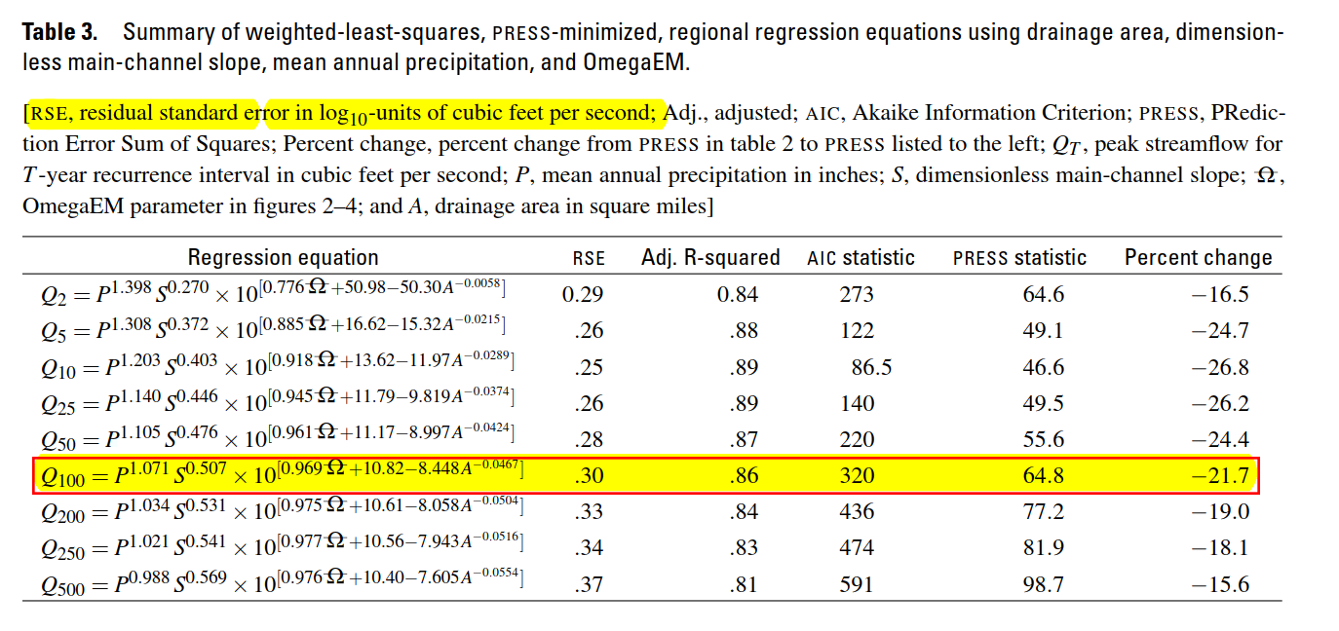
 |  |  |  |  |  |  | Regression Analysis Flows (cfs) |  |  |  |  |  |  |  |  |  |  |  | Eqn from SIR 2009
Basin_ID | US/DS | Work Area | PREC | MainChSLno | OmegaEM | Cum_SqMi | Q2 | Q5 | Q10 | Q25 | Q50 | Q100 | Q500 | Lower Limit 1%PAC | Upper Limit 1% PAC | - Error Bar | + Error Bar | Corresponding HEC-RAS 2D 1PAC Q using Profile Lines | Upper Limit | Lower Limit
120500040505 |  | DMF2 | 21 | 0.0097594419871 | -0.076 | 7.87 | 335 | 757 | 1,131 | 1,733 | 2,278 | 2,958 | 5,064 | 1,483 | 5,902 | 1,476 | 2,944 | 9097.51 | 8,933.74 | 1,676.98
120500040404 |  | DMF2 | 21 | 0.008260838888 | -0.103 | 51.51 | 1,055 | 2,560 | 3,939 | 6,279 | 8,478 | 11,287 | 20,301 | 5,657 | 22,521 | 5,630 | 11,234 | 11202.2 | 34,087.59 | 6,722.43
120500040502 |  | DMF2 | 21 | 0.0056684662325 | -0.103 | 44.1 | 860 | 1,997 | 3,030 | 4,738 | 6,312 | 8,289 | 14,509 | 4,154 | 16,539 | 4,135 | 8,250 | 24717.13 | 25,033.04 | 4,804.35
Regression Analysis
 |  |  |  |  |  |  |  |  |  |  |  |  |  |  |  |  | 41583.95
 |  |  |  |  |  |  |  |  |  |  |  |  |  |  |  | 4 | 11202.2
 |  |  |  |  |  |  |  |  |  |  |  |  |  |  |  | 3.471 | 3003.79
 |  |  |  |  |  |  |  |  |  |  |  |  |  |  |  | 1.041
 |  |  |  |  |  |  |  |  |  |  |  |  |  |  |  | 5 |  | 1.995 | 1% Plus Ratio | 5,902.46
 |  |  |  |  |  |  |  |  |  |  |  |  |  |  |  | 32,534 |  | 0.501 | 1% Minus Ratio | 1,482.63
 |  |  |  |  |  |  |  |  |  |  |  |  |  |  |  | 1% Minus | 268.98
 |  |  |  |  |  |  |  |  |  |  |  |  |  |  |  | 1% Plus | 32,534.43

FIS Report
Title | Flooding Source | Location | Type of Study (Hydrologic) | Drainage Area (sqmi) | 10PAC | 4PAC | 2PAC | 1PAC | 0.2PAC | 1PAC Lower Bound | 1PAC Upper Bound | - Error Bar | + Error Bar | Corresponding HEC-RAS 2D 1PAC Q using Profile Lines
East Fork Double Bayou-I-10 | Double Bayou East Fork | At Interstate Highway 10 | HEC-1 | 14.5 | 2550 | - | 3390 | 3800 | 4670 | 1903.8 | 7581 | 1896 | 3781 | 5597.732
Spindletop at Highway 124 | Spindletop Bayou | At Highway 124 | HEC-1 | 59.2 | 4480 | - | 6300 | 7400 | 9000 | 3707.4 | 14763 | 3693 | 7363 | 4750.473
Oyster Bayou-Lone Star Canal | Oyster Bayou | At Lone Star Canal | HEC-1 | 10.9 | 1170 | - | 1520 | 1690 | 2050 | 846.69 | 3371.55 | 843 | 1682 | 1902.777
Confluence East/West Fork | Double Bayou East Fork | At confluence with Double Bayou West Fork | HEC-1 | 63.8 | 4350 | - | 6100 | 7200 | 8700 | 3607.2 | 14364 | 3593 | 7164 | 6580.618

N:\Texas_2d\BLE_2D_Reference\TWDB\GageAnalysis\FIS_Reports\48071CV001B_Chambers_1.pdf
Table 10: Summary of Discharges
FIS Report Calibration
Shp File: N:\Texas_2d\60631571_TWDB_EastGalvBay_BLE\400_PRODUCTION\Engineering\EastGalvBay\_Workspace\AK\FIS_Points.shp

