Run 1
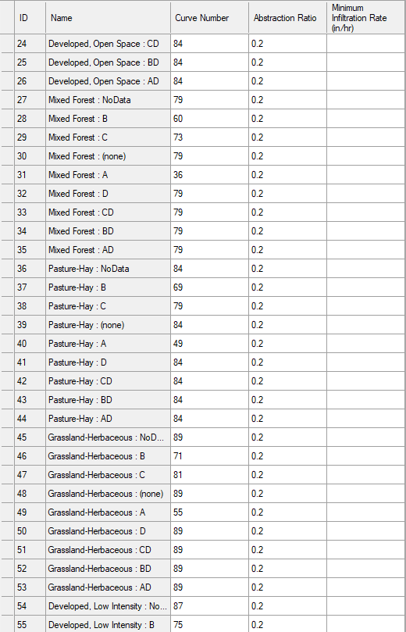
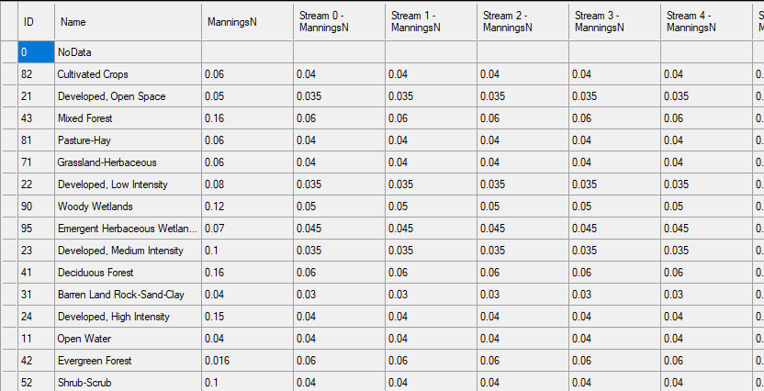
Plan Name | 1.0_pct | Run Description
CN | Lookup
RSE for limits bound | 0.3

 |  | Study Comparisons - InFRM Estimates |  |  |  |  |  |  | 2D Model Results
 |  | FID | Junction No. | Junction Name | Drainage Area (mi2) | Lower Limit | Recommended flows | Upper Limit | Flow (cfs) | L/H/O | Amnt | Comments | Notes
 |  |  | CN_Concho_J10 | Concho River at San Angelo, TX (USGS Gage 08136000) |  | 20,272 | 36,200 | 81,450 | 29,457.00 | OK |  |  | USGS Order Statistics method was used to establish the upper and lower bounds. A systematic record length of 30 years, as indicated in Table 4-5 of EM 1110-2-1619, was presumed. The average percent change across all locations was calculated as -44% and +125%.
 |  |  | CN_Concho_J30 | Dry Lipan Creek below Ninemile Creek |  | 18,312 | 32,700 | 73,575 | 31,307.00 | OK
 |  |  | CN_Concho_J20 | Concho River above Crows Nest Creek |  | 33,432 | 59,700 | 134,325 | 50,536.00 | OK
 |  |  | CN_Concho_J40 | Concho River below Lipan Creek |  | 48,440 | 86,500 | 194,625 | 135,008.00 | OK

 |  | Bulletin 17C Gage Estimates |  |  |  |  |  |  | 2D Model Results
 | USGS link | FID | Gage No. | Gage Name | Drainage Area (mi2) | Lower Limit | Gage Analysis 1% | Upper Limit | Flow (cfs) | L/H/O | Amnt | Comments | Notes
 |  |  | 08132500 | S Concho Rv at San Angelo, TX |  |  |  |  |  |  |  | The data is too old 1932 to 1954 and not reliable for the calibration | Annual chance peak flows at the gage locations were computed in accordance with the methodology outlined in USGS Bulletin 17C. To determine the 1% plus and minus chance events, an 84% confidence interval was employed.
 |  | J10 in Infrm | 08136000 | Concho Rv at San Angelo, TX | 5542.00 | 12120 | 16320 | 25840 | 29,457.00 | HIGH | 3617.00

 |  |  |  |  |  |  |  |  |  | OK
 |  |  |  |  |  |  |  |  |  | OK
 |  |  |  |  |  |  |  |  |  | OK

 |  | Regression Estimates |  |  |  |  |  |  | 2D Model Results
 |  | FID | Connection Name | Locations descriptor | Drainage Area (sq. mi) | Lower Limit | StreamStats Q 1% (cfs) | Upper Limit | Flow (cfs) | L/H/O | Amnt | Comments | Notes
 |  | 8 | Reference_Line_8 |  | 3.00 | 589 | 1174.73 | 2,344 | 1,951.00 | OK |  |  | Upper and lower limits for the regression equation estimates are calculated using the residual standard error (RSE) in log_10- units of cubic feet per second. The RSE for peak streamflow for the 1% annual exceedance probability frequency event is 0.3.
 |  | 10 | Reference_Line_10 |  | 3.00 | 989 | 1973.37 | 3,937 | 4,581.00 | HIGH | 643.61
 |  | 9 | Reference_Line_9 |  | 15.00 | 3,607 | 7197.81 | 14,362 | 12,718.00 | OK
 |  | 6 | Reference_Line_6 |  | 31.00 | 4,961 | 9897.8 | 19,749 | 22,006.00 | HIGH | 2,257.29
 |  | 7 | Reference_Line_7 |  | 33.00 | 5,309 | 10593.32 | 21,136 | 18,985.00 | OK
 |  | 3 | Reference_Line_3 |  | 310.00 | 21,345 | 42588.23 | 84,975 | 66,812.00 | OK
 |  | 4 | Reference_Line_4 |  | 5700.00 | 67,805 | 135289.17 | 269,937 | 70,484.00 | OK
 |  | 5 | Reference_Line_5 |  | 6000.00 | 70,382 | 140430.97 | 280,197 | 135,026.00 | OK

 | 1% Regression Estimate | Regression Upper Limit | Regression Lower Limit | 2D Model Results
3.00 | 1174.73 | 2,344 | 589 | 1,951.00
3.00 | 1973.37 | 3,937 | 989 | 4,581.00
15.00 | 7197.81 | 14,362 | 3,607 | 12,718.00
31.00 | 9897.8 | 19,749 | 4,961 | 22,006.00
33.00 | 10593.32 | 21,136 | 5,309 | 18,985.00
310.00 | 42588.23 | 84,975 | 21,345 | 66,812.00
5700.00 | 135289.17 | 269,937 | 67,805 | 70,484.00
6000.00 | 140430.97 | 280,197 | 70,382 | 135,026.00

