Sheet1
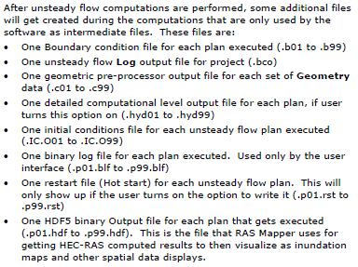
EstBFE Viewer: Required Files for 2D Model Deliveries
EXECUTIVE SUMMARY: This spreadsheet summarizes required file types, sizes, and additional guidance when submitting 2D Base Level Engineering (BLE) study data for inclusion in the estimated Base Flood Elevation (estBFE) viewer: www.infrm.us/estbfe
Essential Guidance: 2D BLE model data should be delivered as four separate zip files categorized below as Terrain, Land Cover, Input, and Output. No single zip file should exceed 2 GB and the maximum total combined file size for BLE data deliveries is 5 GB. Please delete any extraneous files not listed below prior to delivering data (i.e., tmp, scratch, and working files/folders). For additional technical information refer to the latest HEC-RAS Users Manual and for any delivery questions contact the FEMA Region 6 Risk Analysis Branch
Category | File Format | Summary
Terrain | .hdf (clip to area of interest and use a 10' x 10' raster to reduce file size) | Identifies all the GeoTiff files for the Terrain Layer, the priority in which to use GeoTiff values, and stores a computed surface for transitional area between GeoTiffs
 | .tif (delete any duplicates) | The GeoTIFF includes terrain data (elevations) in the image, which is read into HECRAS and used to construct a surface model
 | .vrt | Visualization file that allows for displaying multiple rasters at once using the same symbology with just the one VRT file in a GIS
Land Cover | .hdf | One of two default datasets created as part of Land Cover dataset (LandCover.hdf is default name)
 | .tif | One of two default datasets created as part of Land Cover dataset (LandCover.tif is default name)
 | .shp, .db, etc. | RAS Mapper supports the use of multiple grids or polygon shapefiles with a field describing the land classification
Input | .prj | RAS Project File
 | .P# | Plan files: Plan files have the extension .P01 to .P99. The "P" indicates a Plan file, while the number represents the plan number
 | .X# | Run file for unsteady flow plan (steady flow would use .R# files instead); Have extension .X01 to .X99
 | .U# | File for unsteady Flow data (steady flow would use .F# files instead and quasi-unsteady flow would use .Q# files instead); have extension .U01 to .U99
 | .G# | Geometry files have the extension .G01 to .G99. The "G" indicates a Geometry file, while the number corresponds to the order in which they were saved for that particular project
 | .S# (only include as appropriate) | File for sediment data
 | .H# (only include as appropriate) | File for hydraulic design data
 | .W# (only include as appropriate) | File for water quality data
 | .rasmap (only include as appropriate) | RAS Mapper file will only be included if you are using spatial terrain data
 | dss entry (only include as appropriate) | Dependent on how flows are input to model
Output | .hdf | The output size of this critical file is dependent on the selected time step interval. To reduce the output .hdf file size below the 2GB limit, change the Hydrograph, Detailed, and Mapping time step intervals (i.e., choose 6 or 12 hour interval instead of 1 minute intervals).
 | .O# | Output files have the extension .O01 to .O99. The "O" indicates an Output file while the number represents an association to a particular plan file

Additional files that should be included as appropriate:

