Sheet1
The estimation of annual peak streamflow frequency for undeveloped watersheds in Texas based on the USGS's scientific investigation report (2009): https://pubs.usgs.gov/sir/2009/5087/pdf/sir2009-5087.pdf

Add your basin characteristics here
Inputs |  | Description |  |  | Table1 in the report: Summary statistics of the watershed characteristics
A (mi2) | 737 | Drainage area |  |  | Use this table for interpolation purposes
P (in) | 24 | Avg Annual Precip |  |  | Characteristics | Minimum | 1st Quartile | Median | 3rd Quartile | Maximum
100 x S | 0.7812 | Interpolated Main Channel Slope*100 |  |  | A (mi2) | 0.1 | 6.403 | 97.4 | 499 | 9329
S | 0.0078117572485 | Main Channel Slope (should be verified based on topography) |  |  | 100 x S | 0.023 | 0.152 | 0.269 | 0.657 | 7.03
Omega | 0.351 | Fig 3 in report or georef shp |  |  | P (in) | 8 | 23 | 31 | 41 | 57

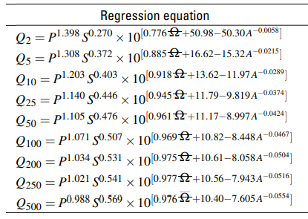
 |  |  |  |  | Table 3 in the report |  |  |  | The regression equations coefficients (Do not change!)
 |  |  |  |  |  |  |  |  | Coeff1 | Coeff2 | Coeff3 | Coeff4 | Coeff5 | Coeff6
 |  |  |  |  |  |  |  |  | 1.398 | 0.27 | 0.776 | 50.98 | 50.3 | -0.0058
 |  |  |  |  |  |  |  |  | 1.308 | 0.372 | 0.885 | 16.62 | 15.32 | -0.0215
Final Results |  |  |  |  |  |  |  |  | 1.203 | 0.403 | 0.918 | 13.62 | 11.97 | -0.0289
 | Regression (cfs) | 10% lower CL | 90% upper CL |  |  |  |  |  | 1.14 | 0.446 | 0.945 | 11.79 | 9.819 | -0.0374
Q2 (cfs) | 15951 | 5282 | 48170 |  |  |  |  |  | 1.105 | 0.476 | 0.961 | 11.17 | 8.997 | -0.0424
Q5 (cfs) | 45657 | 15118 | 137882 |  |  |  |  |  | 1.071 | 0.507 | 0.969 | 10.82 | 8.448 | -0.0467
Q10 (cfs) | 72904 | 24141 | 220166 |  |  |  |  |  | 1.034 | 0.531 | 0.975 | 10.61 | 8.058 | -0.0504
Q25 (cfs) | 121562 | 40253 | 367110 |  |  |  |  |  | 1.021 | 0.541 | 0.977 | 10.56 | 7.943 | -0.0516
Q50 (cfs) | 169537 | 56139 | 511994 |  |  |  |  |  | 0.988 | 0.569 | 0.976 | 10.4 | 7.605 | -0.0554
Q100 (cfs) | 230940 | 76472 | 697429
Annual Peak Discharge Estimation
Q200 (cfs) | 304336 | 100775 | 919079
Q250 (cfs) | 332987 | 110262 | 1005606
Q500 (cfs) | 428516 | 141895 | 1294098

 |  |  |  | Add PeakFQ results here
Recurrence Interval | Regression (cfs) | 5% lower CL | 95% upper CL | PeakFQ Estimates
10 | 72904 | 24141 | 220166 | 29420
25 | 121562 | 40253 | 367110 | 51000
50 | 169537 | 56139 | 511994 | 68310
100 | 230940 | 76472 | 697429 | 85530
500 | 428516 | 141895 | 1294098 | 122200

